Logsheet
 | FSFE LOGSHEET
To be fill-up by Shift Supervisor
 |  | Operation Day | 2014-12-02
 |  | Shift | 1st

On board crew in assigned on operation while regular crew will be assigned for special activities during the shift (e.i. launder repair, diesel testing). Please note that only during Mon, Wed and Fri that we have an extra crew or the regular crew. -JSM
 |  |  | ** Dropdown list with option to choose multiple values
 | A. Manpower |  | Onboard Crew |  | Regular Crew | Special Activities
 | Supervisor
 | CRO
 | SPO Lead Tapper
 | SPO Lead Inspection
 | Slag Tender 1
 | Slag Tender 2
 | Matte Tapper 1
 | Matte Tapper 2
 | Matte Tapper 3
 | Matte Tapper 4
 | Matte Tapper 5
 | Matte Tapper 6
 | Furnace Operator
 | Steam Dryer Operator
 | Dust Line Tender

To be fill-up by Contro Room Operator | B. FSFE Charging

 |  | Bed No | Start Conveyor Charging
 |  | 180 | 12/2/14 | ** After expansion, this portion will not be included (all 2 columns)

 |  |  | RIDERS |  | Oxygen Coefficient
 |  | Time | Silica | Coal |  | ** After expansion, this portion will not be included (all 4 columns)
 |  | 12/2/14 | 11 | 16 | 155
 |  | 12/2/14 | 11 | 16 | 155
 |  | 12/2/14 | 11 | 16 | 155
 |  | 12/2/14 | 11 | 16 | 155
 |  | 12/2/14 | 11 | 16 | 155

 | C. Matte Tapping

 |  |  |  |  |  | ** Matte Tapper will be based on Laddle No (ex, if Laddle No is 12, use Matte Tapper 12)
 |  | Event | Start Time Matte Tapping | End Time Matte Tapping | Launder No | Matte Tapper
 |  | 1 | 12/2/14 | 12/2/14 | 1.2
 |  | 2 | 12/2/14 | 12/2/14 | 5.6
IF VALUES FOR SLAG LEVEL AND SLAG TEMPERATURE ARE QUESTIONABLE (OR ABOVE/BELOW LIMITS), PERSONNEL WILL BE REQUIRED TO PLACE A COMMENT.
 |  | 3 | 12/2/14 | 12/2/14 | 3.4
 |  | 4 | 12/2/14 | 12/2/14 | 5.6
 |  | 5 | 12/2/14 | 12/2/14 | 1.2
 |  | 6 | 12/2/14 | 12/2/14 | 5.6

To be fill-up by SPO tapper
 |  |  | MATTE |  | ** Matte/Slag Level will be automatically computed |  | SLAG
 |  | Time | H1 | H2 | Scum Level | Matte Level | Slag Level | Temperature
 |  | 12/2/14 | 68 |  | 5 | Matte level = 308 - H2 | Slag level = H2 - H1 - scum |  |  | min | max
 |  | 12/2/14 | 60 | 100 | 5 | 208 | 35 | 1350 | scum level | 2 | 30 | Matte level = 308 - H2
 |  | 12/2/14 | 61 | 120 | 6 | 188 | 53 | 1350 | matte level | 50 | 100 | Slag level = H2 - H1 - scum
 |  | 12/2/14 | 62 | 115 | 7 | 193 | 46 | 1350 | slag level | 20 | 80
 |  | 12/2/14 | 63 | 130 | 8 | 178 | 59 | 1350 | slag temp | 1100 | 1400
 |  | 12/2/14 | 64 | 122 | 9 | 186 | 49 | 1350
 |  | note: matte level value should be above 50 and less than 100 and slag level is above 20 and less than 80. Other than that error will be prompted to recheck H1 and H2 values
 |  | note: scum value should be above 2 and less than 30 cm. slag temp also should be above 1100 and below 1400. Other than that error will be prompted to recheck the values inputted.
To be fill-up by Shift Supervisor | D. Remarks/Actions Done for KPI
 |  |  |  | Remarks / Comments
 | A. | % Cu in Granulated Slag
 |  | % Cu in Melt Slag
 | B. | Matte Grade
 | C. | Fe/SiO2
 | D. | Matte + Scum Level, cm

 | E. COMMENTS FOR:

Flash Dryer Operator
 | Cleaning of combustion furnace burner |  |  |  |  |  | FD EP
 | Cagemill Oversize Discharging |  |  |  |  |  | 1st Chamber
 | Cleaning of Charging line spillage (BC-A27A/B/C) |  |  |  |  |  |  | kV
TICK BOX STYLE
Highlighted in green will be the personnel who will tick/fill-in the box
 | Cleaning of reaction shaft Burners |  |  |  |  |  |  | mA
 | Draining of moisture at atomizing air filter |  |  |  |  |  | 2nd Chamber
 | Grizzly Cleaning |  |  |  |  |  |  | kV
 | Check-up of DCB vibrators |  |  |  |  |  |  | mA
 |  | VM-B16A |  |  |  |  | 3rd Chamber
 |  | VM-B16B |  |  |  |  |  | kV
 |  | VM-B16C |  |  |  |  |  | mA
 |  | VM-B16D |  |  |  |  | Screw Conveyor Inspection
 |  | VM-B16E |  |  |  |  |  | SC-B31A
 |  | VM-B16F |  |  |  |  |  | SC-B31B
 |  | VM-B16G |  |  |  |  |  | SC-B32A
 |  | VM-B16H |  |  |  |  |  | SC-B32B
 | Trimbin Grizzly cleaning
 | Cyclone Flapper Inspection

Dust Line Tender
 | Check-up of conveyor discharge
 |  | CC-F01A
 |  | CC-F01B
 |  | CC-H13
 |  | CC-H46
 |  | CC-H15
 |  | CC-H53A/B/C
 |  | CC-H01
 |  | CC-H02
 |  | CC-H03
 |  | BK-H04
 |  | CC-H06
 |  | SC-H21
 | Check-up of dust bin vibrators
 |  | VM-H32A
 |  | VM-H32B
 | BL-H26 Exercise of damper
 | Check-up of bagfilter soleniod valves

Cooling water and Soot Blower Tender
 | Paste Charging
 |  | Electrode #1
 |  | Electrode #2
 |  | Electrode #3
 | Casing Addition
 |  | Electrode #1
 |  | Electrode #2
 |  | Electrode #3
 | Testing of Soot Blowers
 |  | SB# 7
 |  | SB# 9
 |  | SB# 11
 |  | SB# 15
 |  | SB# 16
 |  | SB# 17
 |  | SB# 18
 |  | SB# 19
 |  | M2
 |  | M4
 | Check-up of Cooling water Discharge
 |  | RS1 Discharge
 |  | RS2 Discharge
 |  | RS3 Discharge
 |  | RS4 Discharge
 |  | S1 Discharge
 |  | S2 Discharge
 |  | S3 Discharge
 |  | S4 Discharge
 |  | S5 Discharge
 |  | Steel Jacket and copper jacket Discharge
 |  |  | AQ1 Discharge
 |  |  | AQ2 Discharge
 |  |  | AQ3 Discharge
 |  |  | AQ4 Discharge
 |  | Water Trough Discharge
 |  |  | H1 |  | H13 |  | H25
 |  |  | H2 |  | H14 |  | H26
 |  |  | H3 |  | H15 |  | H27
 |  |  | H4 |  | H16 |  | H28
 |  |  | H5 |  | H17 |  | H29
 |  |  | H6 |  | H18 |  | H30
 |  |  | H7 |  | H19 |  | H31
 |  |  | H8 |  | H20 |  | H32
 |  |  | H9 |  | H21 |  | H33
 |  |  | H10 |  | H22 |  | H34
 |  |  | H11 |  | H23
 |  |  | H12 |  | H24
 |  | Uptake Cooling Water Discharge
 |  |  | M1 |  | N1
 |  |  | M2 |  | N2
 |  |  | M3 |  | N3
 |  |  | M4 |  | N4
 |  |  | M5 |  | N5
 |  |  | M6 |  | N6
 |  |  | M7 |  | N7
 |  |  | M8 |  | N8
 |  |  | M9 |  | N9
 | Online Lancing Bumping

Slag Tender
 | Check-up of slag line
 |  | BC-C61A
 |  | BC-C61B
 |  | BC-C61C
 | Check-up of Slag launder Cooling water
 | Check-up of Slag taphole Condition
 | Check-up of SL Condition
 | Check-up of regulator condition
 | Check thermocouple status (online or not)

1 | Activities/Highlights During the Shift
 |  |  |  | ** Operator to encode only the Exceptions

2 | Turn Over

3 | Flame Pattern
 |  |  |  | ** Personnel should be able to put comments and PICTURES
 |  |  |  | ** Maximum 4 pictures

Shift Report
 | FSFE COMPLIANCE REPORT
% Compliance for the shift = # of within range values over total# of values
 | Production Day:
 | Shift:

 | Compliance Index |  | 80% | ** # of greens / total # of dots (ex. 61/61=100%)
 | Target: |  | >80%

 | 1. KEY PERFORMANCE INDICATORS |  |  |  | ** Values will have indicators if it achieves target
 |  |  |  |  | Average Values |  |  |  | % Compliance |  |  |  | REFERENCE VALUES |  | REMARKS / ACTIONS DONE
 |  |  |  |  | 1st 2 hours | 2nd 2 hours | 3rd 2 hours | 4th 2 hours | 1st 2 hours | 2nd 2 hours | 3rd 2 hours | 4th 2 hours | Average | % Compliance
 | A. | Granulated Slag Assay - Cu |  | % | 0.8 | 0.8 | 0.8 | 0.8 | 60% | 60% | 60% | 60% | ≥0.7 | >80% |  | ** To be called from SQL
 |  | Melt Slag Assay - Cu |  | % | 0.8 | 0.8 | 0.8 | 0.8 | 60% | 60% | 60% | 60% | ≥0.7 | >80%
 | B. | Matte Grade - Cu |  | % | 0.8 | 0.8 | 0.8 | 0.8 | 60% | 60% | 60% | 60% | 53%-55% | >80%
 | C. | Slag Assay - Fe/SiO2 |  |  | 0.8 | 0.8 | 0.8 | 0.8 | 60% | 60% | 60% | 60% | 0.98-1.02 | >80%
 | D. | Matte + Scum Level |  | cm | 0.8 | 0.8 | 0.8 | 0.8 | 60% | 60% | 60% | 60% | ≥80 | >80%
 | E. | Slag Level |  | cm | 0.8 | 0.8 | 0.8 | 0.8 | 60% | 60% | 60% | 60% | >40 | >80%
 | F. | Slag Temperature |  | °C | 0.8 | 0.8 | 0.8 | 0.8 | 60% | 60% | 60% | 60% | 1250-1290 | >80%

 |  | TRENDS

Cu Loss Trend
Cu Loss Trend
Bath Level Trend
Bath Level Trend

Matte Grade Trend
Matte Grade Trend
Slag Temperature Trend
Slag Temperature Trend

Slag - Fe/SiO2 Trend
Slag - Fe/SiO2 Trend

Those with Reference Values that will vary each month will come from the Forecast file
 | 2. OUTPUT KPI
 |  |  |  |  | Actual |  |  |  | Reading at 6:00 AM | REFERENCE VALUES
CSBH or FSFE? |  | Total Conc charge |  | tons | 0.8 |  |  |  |  | Will vary every month
 |  | Matte Produced |  | tons | 0.8 |  |  |  | 0.8 | Will vary every month
 |  | Number of Ladles |  | ladles | 0.8
 |  | Slag Produced |  | tons | 0.8 |  |  |  |  | Will vary every month

Parameters in red font will have 4 actual values (average every 2 hours)
Total Conc Charge, Matte Produced, Slag Produced is total for the shift
Coal Setting and Silica Setting, get last value of shift only for the Actual Value
 | Heat Balance
 |  | Rxn shaft heatloss |  | Gcal | 0.8 | 0.8 | 0.8 | 0.8 | 0.8 | 0.8-1.2
 |  | RS1 heatload |  | °C | 0.8 | 0.8 | 0.8 | 0.8 |  | 600-700
 |  | RS2 heatload |  | °C | 0.8 | 0.8 | 0.8 | 0.8 |  | 600-700
 |  | RS3 heatload |  | °C | 0.8 | 0.8 | 0.8 | 0.8 |  | 600-700
 |  | RS4 heatload |  | °C | 0.8 | 0.8 | 0.8 | 0.8 |  | 600-700
 |  | Uptake Delta Temp |  | °C | 0.8 | 0.8 | 0.8 | 0.8 | 0.8 | 8.0-12.0
 |  | WHB Outlet Temp |  | °C | 0.8 | 0.8 | 0.8 | 0.8
 |  | EP Inlet Temp |  | °C | 0.8 | 0.8 | 0.8 | 0.8
 |  | EP Outlet Temp |  | °C | 0.8 | 0.8 | 0.8 | 0.8

 |  | Oil Firing |  | li/h | 0.8 | 0.8 | 0.8 | 0.8 | 0.8 | 200-400
 |  | Electrode Power |  | KW | 0.8 | 0.8 | 0.8 | 0.8 | 0.8 | 500-800
 |  | Coal Setting |  | kg/ton conc | 0.8 |  |  |  | 0.8 | 18-22
 |  | Silica Setting |  | ton/ ton conc | 0.8 |  |  |  | 0.8 | 6.0-16

 | Burner Performance
 |  | Atomizing air flow |  |  | 0.8 | 0.8 | 0.8 | 0.8 |  | 1.0KNm3/hr
 |  | Atomizing air inlet pressure |  |  | 0.8 | 0.8 | 0.8 | 0.8 |  | 0.9-1.0 kg/cm2
 |  | Atomizing air outlet pressure |  |  | 0.8 | 0.8 | 0.8 | 0.8 |  | 5.0-6.0 kg/cm2
 |  | Air Velocity |  |  | 0.8 | 0.8 | 0.8 | 0.8 |  | >70 m/s

 | Draft Performance
 |  | Furnace Draft |  | mm H2O | 0.8 | 0.8 | 0.8 | 0.8 | 0.8 | (4) - (10)
 |  | Boiler Draft |  | mm H2O | 0.8 | 0.8 | 0.8 | 0.8 |  | (10) - (15)
 |  | Goose Neck Draft |  | mm H2O | 0.8 | 0.8 | 0.8 | 0.8 |  | (15) - (30)
 |  | EP Draft |  | mm H2O | 0.8 | 0.8 | 0.8 | 0.8 |  | (30) - (50)

 | EP Performance
 |  | Nerin 1
 |  | 1st chamber |  | kV | 0.8 |  |  |  | 0.8 | 40-50
 |  | 1st chamber |  | mA | 0.8 |  |  |  | 0.8 | 100-300
 |  | 2nd chamber |  | kV | 0.8 |  |  |  | 0.8 | 40-50
 |  | 2nd chamber |  | mA | 0.8 |  |  |  | 0.8 | 100-300
 |  | 3rd chamber |  | kV | 0.8 |  |  |  | 0.8 | 40-50
 |  | 3rd chamber |  | mA | 0.8 |  |  |  | 0.8 | 100-300

 |  | Nerin 2
 |  | 1st chamber |  | kV | 0.8 |  |  |  | 0.8 | 40-50
 |  | 1st chamber |  | mA | 0.8 |  |  |  | 0.8 | 100-300
 |  | 2nd chamber |  | kV | 0.8 |  |  |  | 0.8 | 40-50
 |  | 2nd chamber |  | mA | 0.8 |  |  |  | 0.8 | 100-300
 |  | 3rd chamber |  | kV | 0.8 |  |  |  | 0.8 | 40-50
 |  | 3rd chamber |  | mA | 0.8 |  |  |  | 0.8 | 100-300

 | 3. BREAKDOWN OF FSFE CHARGE
FSFE Feed Charge vs Time
FSFE Feed Charge vs Time

 |  | Time | Slow Down / Stop Charge? |  | Reason
 |  |  |  |  |  |  | ** Values will be from RT Duet

 | 4. FLAME PATTERN

Comments With Picture
Comments With Picture

 | 5. FII

Comments With Picture
Comments With Picture

FII Logsheet (sample)
Furnace Inside Inspection Checklist

Date: | 2014-05-14
Shift: | 2nd shift
Shift Duty Manager: | ACJ/RMR
SPO - Inspection: | GGladrera
Flash Dryer Operator: | Molina/Abe

POINTS FOR INSPECTION

PICTURES | REMARKS | GUIDELINES
1. Front (East) Inspection Hole
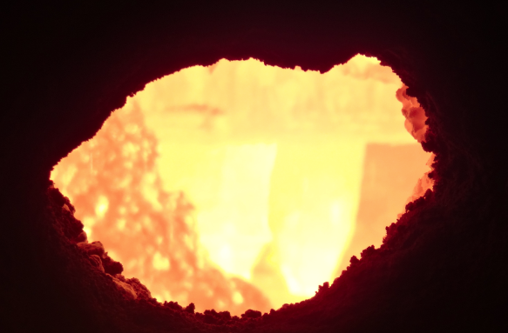 | Big heaping was still present. | - Front hole should be big enough for good visual inside furnace. - Check for bath condition (heaping, rough surface or any black spot/water leak) - Picture is a requirement for documentation.
2. West (Slag# 1/2) Inspection Hole
 | On going lancing at inspection hole | - Holes should be big enough for good visual inside furnace. - Depending on availability choose easier access on slag#1 or #2 hole - Check for bath condition (heaping, rough surface or any black spot/water leak) - Picture is a requirement for documentation.
3. Y-Chute status (North)
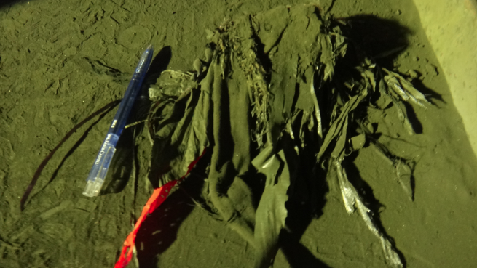 | Minimal foreign materials | - Check for plastics and Foreign materials clogging - Picture on clogging and on amount of foreign materials for documentation
4. Y-Chute status (South)
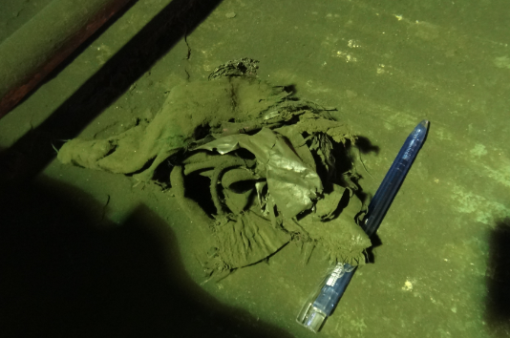 | Minimal foreign materials | - Check for plastics and Foreign materials clogging - Picture on clogging and on amount of foreign materials for documentation
5. Dispersing Cone fins
 | No abnormalities Observed | - Check for plastics and Foreign materials clogging - Identifiy which quadrant is clogging. - Check if there are wet/moist concentrate/feed sticking on the fins. - Picture on clogging and on amount of foreign materials for documentation.
6. Dispersing Cone Nozzle status
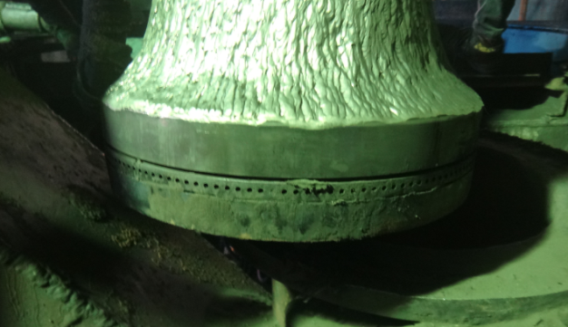 | Observed concentrate sticking on the north side of the nozzle (south side is clear). | - Check for plastics and Foreign materials clogging - Identifiy which quadrant is clogging. - Check if there are wet/moist concentrate/feed sticking on the nozzle. - Visual check on the nozzles to be conducted daily. Weekly (every Friday) declogging of nozzles and injecting atomizing air. - Measure gap on the nozzle to monitor change in clearance/distance. - Picture on clogging and on amount of foreign materials for documentation.
7. WindBox status
 | No logging observed | - Check for any deformations. - Check for any accretions. Do declogging and update is accretion was declogged. - Identifiy which quadrant is having accretion. - Picture on clogging and on amount of foreign materials for documentation.
Uptake Accretion Profile
Corner Jacket
Shell

Model
Data Model for FSFE Logsheet
ONBOARD CREW
(assigned to routine activities)
- Supervisor
- CRO
- SPO Lead Tapper
- SPO Lead Inspection
- Slag Tender
- Matte Tapper 12
- Matte Tapper 56
- Soot Blower Tender
- FD operator
- Dust Line Tender
REGULAR CREW
(assigned for special activities)
- Employee Name

BED CHARGING ACTIVITY
- Start Time Converyor Charging
- Bed Number

PRODUCTION DAY
- Production Day
PRODUCTION SHIFT
- Shift Number
- Production Day
RIDERS SETTING
(settings are usually read every 2 hrs)
- Time
- Silica Setting
- Coal Setting
- Oxygen Coefficient

MATTE TAPPING ACTIVITY
- Start Time Tapping
- End Time Tapping
- Laddle Number
- Matte Tapper
MATTE/SCUM/SLAG MEASUREMENTS
(measurements are usually read every hr)
- Time
- Matte H1
- Matte H2
- Scum Level
- Matte Level (computed)
- Slag Level (computed)
- Slag Temperature

REMARKS/COMMENTS/HIGHLIGHTS
- % Cu in Granulated Slag
- % Cu in Melt Slag
- Matte Grade
- Fe/SiO2
- Matte + Scum Level, cm
- Highlights during the shift
- Turnover
- Flame Pattern

OTHER ACTIVITIES
(as ticked in part E)

